THP-71 Standalone
 | Texas Highway Patrol
 | Overtime Worksheet for Commissioned Employees

EXAMPLE: Thursday and Friday do not exceed eight (8) duty hours; therefore, no daily OT is calculated for those days.
 |  |  |  |  |  |  |  |  |  |  |  | November |  |  | 2019
Employee Name |  |  |  | Social Security # |  |  | ID # | Regular OT Speed Chart # | Salary Group | Step # |  | Month |  |  | Year |  | Date Submitted
 | Overtime Calculations
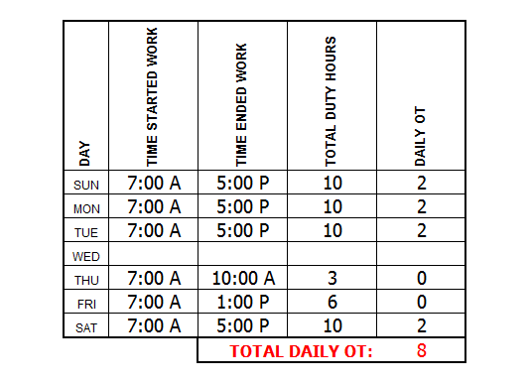
 |  |  |  |  |  |  |  |  |  |  |  | Use these totals for the completion of the THP-71A

 |  | Start Date | End Date |  | Actual Hours Worked | Leave Accurals Taken |  | Earned OT Hours |  | Total OTE hours to be Paid | Regular OT Speed Chart # |  | # Hours | Add Speed Chart |  | Total # OT Hours |  |  |  | Total Daily OT | Weekly OT | Total OT | Total CTE
 | 1st Week | 2019-10-27 | 2019-11-02 |  |  |  |  | 0.00 |  |  |  |  |  |  |  |  |  |  | 1st Week |  | 0 | 0 | 0
 | 2nd Week | 2019-11-03 | 2019-11-09 |  |  |  |  | 0.00 |  |  |  |  |  |  |  |  |  |  | 2nd Week |  | 0 | 0 | 0
 | 3rd Week | 2019-11-10 | 2019-11-16 |  |  |  |  | 0.00 |  |  |  |  |  |  |  |  |  |  | 3rd Week |  | 0 | 0 | 0
 | 4th Week | 2019-11-17 | 2019-11-23 |  |  |  |  | 0.00 |  |  |  |  |  |  |  |  |  |  | 4th Week |  | 0 | 0 | 0
 | 5th Week | 2019-11-24 | 2019-11-30 |  |  |  |  | 0.00 |  |  |  |  |  |  |  |  |  |  | 5th Week |  | 0 | 0 | 0
 |  |  |  |  |  |  |  |  |  |  |  |  |  |  |  |  |  |  | 6th Week |  | 0 | 0 | 0
 |  |  |  |  |  |  | Totals: | 0.00 |  | 0.00 |  |  | 0.00 |  | 0.00 | 0.00 | 0.00
 |  | All OTE is reimbursed at 1 1/2 hours per hour worked.
 |  |  |  |  | Special Projects |  |  |  |  |  |  | Compensatory Time Calculation
 |  | Start Date | End Date |  | Special Project Hours |  | Special Project Speed Chart # |  | Special Project Hours | Special Project Speed Chart # |  | Start Date | End Date |  | Comp Time Earned (CTE)
 | 1st Week | 2019-10-27 | 2019-11-02 |  |  |  |  |  |  |  |  | 2019-10-27 | 2019-11-02 |  | 0.00 |  | 1st Week
 | 2nd Week | 2019-11-03 | 2019-11-09 |  |  |  |  |  |  |  |  | 2019-11-03 | 2019-11-09 |  | 0.00 |  | 2nd Week
 | 3rd Week | 2019-11-10 | 2019-11-16 |  |  |  |  |  |  |  |  | 2019-11-10 | 2019-11-16 |  | 0.00 |  | 3rd Week
 | 4th Week | 2019-11-17 | 2019-11-23 |  |  |  |  |  |  |  |  | 2019-11-17 | 2019-11-23 |  | 0.00 |  | 4th Week
 | 5th Week | 2019-11-24 | 2019-11-30 |  |  |  |  |  |  |  |  | 2019-11-24 | 2019-11-30 |  | 0.00 |  | 5th Week
 |  |  | TOTALS |  | 0.00 |  |  |  | 0.00 |  |  |  |  |  | 0.00
 |  | All Special Project overtime is reimbursed at 1 1/2 hour per hour worked.

Employee's Signature |  |  |  |  |  |  |  |  | Approving Supervisor's Signature

Salary Group: Prob. Trooper = C2, Trooper/Corporal = C3, Sergeant = C4, Lieutenant = C5, Captain = C6, Assistant Commander = C7, Major = C8

Step #: Less than 4 years = Step 1, 4 > 8 years = Step 2, 8 > 12 years = Step 3, 12 > 16 years = Step 4, 16 > 20 years = Step 5, 20 > = Step 6

Report any Paid OTE for the employee's assigned Speed Chart # on an THP-71A for the appropriate reporting month. Paid OTE is reimbursed at 1 1/2 hours per hour worked.
Report any Special Project overtime for the appropriate Speed Chart # on an THP-71A for the appropriate reporting month. Special Project OT is reimbursed at 1 1/2 hours per hour worked.
Reporting Period: Time for this reporting period ends on the last Saturday of the month. Any time worked or earned during the month and after the last Saturday will be included in the next reporting period.

 |  |  |  |  |  |  |  |  |  |  |  |  |  |  |  |  |  | THP-71 (Rev. 11/2019)

